Treatments
2023 Maximizing Feed Barley Yield While Minimizing Lodging (2022F028R)

Locations: | Vermillion (LC), Falher (SARDA), Lethbridge irrigated (FS) |  |  | Deadlines
Years: | 2022-2024 |  |  | Planting | 2023-05-25 | If there is a delay please contact trial coordinator
Design: | Split plot. Main plot = cultivar (3); Subplot = PGR treatment (9) |  |  | Samples sent to Lori Oatway | 2023-10-31 | See Protocol for address
Replicates: | 4 |  |  | Field books submitted | 2023-11-15
Treatments | 27

Note: at GS 21-24 and GS 37 PGR application timings, these are tank-mixed with a supplied herbicide (Axial iPak Xtreme @ GS 21-24) and fungicide (Miravis Neo @ GS 37). The treatments that do not receive a PGR during these application timings MUST receive the supplied herbicide (GS 21-24) and fungicide (GS 37) on the same date. Please see protocol

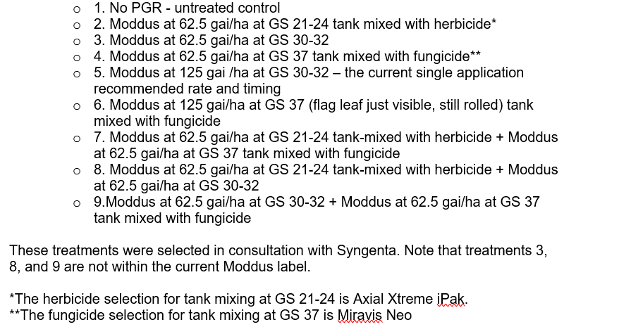
Overall Trt # | Cultivar | PGR trt # | PGR Trt Name | PGR treatment descriptions
1 | CDC_Austenson | 1 | No_PGR
2 | CDC_Austenson | 2 | M62.5_21-24
3 | CDC_Austenson | 3 | M62.5_30-32
4 | CDC_Austenson | 4 | M62.5_37
5 | CDC_Austenson | 5 | M125_30-32
6 | CDC_Austenson | 6 | M125_37
7 | CDC_Austenson | 7 | M62.5_21-24 + M62.5_37
8 | CDC_Austenson | 8 | M62.5_21-24 + M62.5_30-32
9 | CDC_Austenson | 9 | M62.5_30-32 + M62.5_37
10 | AB Hague | 1 | No_PGR
11 | AB Hague | 2 | M62.5_21-24
12 | AB Hague | 3 | M62.5_30-32
13 | AB Hague | 4 | M62.5_37
14 | AB Hague | 5 | M125_30-32
15 | AB Hague | 6 | M125_37
16 | AB Hague | 7 | M62.5_21-24 + M62.5_37 | Sub-plot treatments that do not require Moddus at either GS 21-24 or GS 37 (ie sub-plot treatments 1,2,3,4,5,6, 8, and 9) will receive the same herbicide (Axial Xtreme iPak) and/or fungicide (Miravis Neo) application as other plots on the respective application day in order to eliminate any confounding effects.
17 | AB Hague | 8 | M62.5_21-24 + M62.5_30-32
18 | AB Hague | 9 | M62.5_30-32 + M62.5_37
19 | Esma | 1 | No_PGR
20 | Esma | 2 | M62.5_21-24
21 | Esma | 3 | M62.5_30-32
22 | Esma | 4 | M62.5_37
23 | Esma | 5 | M125_30-32
24 | Esma | 6 | M125_37
25 | Esma | 7 | M62.5_21-24 + M62.5_37
26 | Esma | 8 | M62.5_21-24 + M62.5_30-32
27 | Esma | 9 | M62.5_30-32 + M62.5_37

BBCH staging guide
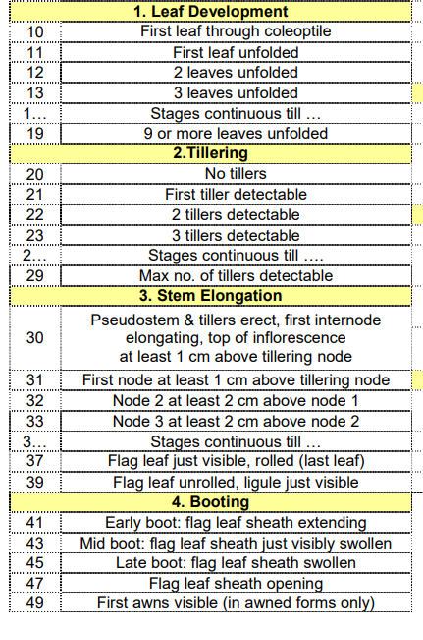

Maintenance herbicide application timing at standard (~3 leaf stage). Product choice up to the individual site according to weed spectrum

BBCH 21= first tiller detectable (first PGR application timing- tank mixed with the Axial Xtreme iPak herbicide)

BBCH 30-32= stem elongation (2nd PGR application timing)

BBCH 37= 3rd PGR application timing (tank-mixed with Miravis Neo fungicide)

Maintenance fungicide application (Prosaro) when

"For suppression of Fusarium Head Blight, apply PROSARO XTR Fungicide as a preventative spray within the time period from when at least 75% of the wheat heads on the main stem are fully emerged to when 50% of the heads on the main stem are in flower."

weather_final
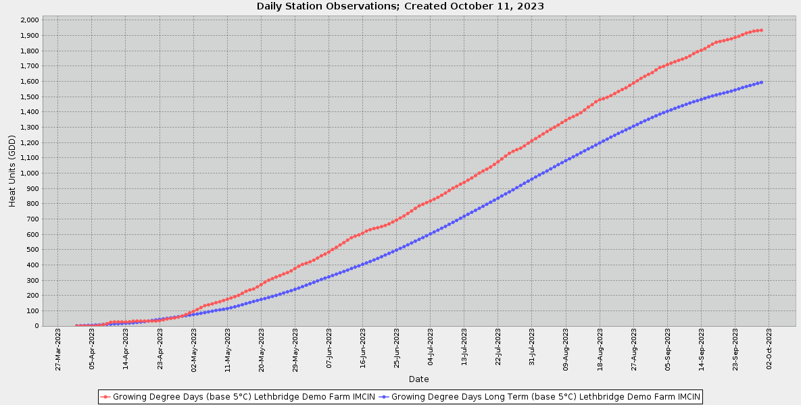
Station Name | Date (Local Standard Time) | Air Temp. Avg. (°C) | Precip. Accumulated (mm) | Precip. Long Term (mm) | Air Temp. Avg. Long Term (°C) | Air Temp. Avg. Long Term Source Flag | Air Temp. Avg. Long Term Record Completeness (%) | Growing Degree Days Long Term (base 5°C) (GDD) | Growing Degree Days Long Term (base 5°C) Source Flag | Growing Degree Days (base 5°C) (GDD) | Growing Degree Days (base 5°C) Source Flag
Lethbridge Demo Farm IMCIN | 1-Apr-23 | 4.4 | 0.1 | 0.8 | 2.5 | COMPUTED |  | 1.1 | COMPUTED | 0.7 | COMPUTED
Lethbridge Demo Farm IMCIN | 2-Apr-23 | 0 | 4.8 | 2.3 | 2.1 | COMPUTED |  | 2.2 | COMPUTED | 0.7 | COMPUTED
Lethbridge Demo Farm IMCIN | 3-Apr-23 | -2.1 | 5.1 | 3.2 | 2.4 | COMPUTED |  | 3.2 | COMPUTED | 0.7 | COMPUTED
Lethbridge Demo Farm IMCIN | 4-Apr-23 | -5.1 | 5.1 | 4.5 | 3 | COMPUTED |  | 4.3 | COMPUTED | 0.7 | COMPUTED
Lethbridge Demo Farm IMCIN | 5-Apr-23 | -2 | 5.6 | 6 | 2.8 | COMPUTED |  | 5.1 | COMPUTED | 0.7 | COMPUTED
Lethbridge Demo Farm IMCIN | 6-Apr-23 | 4.5 | 5.6 | 6.5 | 3.8 | COMPUTED |  | 6.4 | COMPUTED | 1.7 | COMPUTED
Lethbridge Demo Farm IMCIN | 7-Apr-23 | 8.2 | 5.7 | 7.2 | 4 | COMPUTED |  | 7.7 | COMPUTED | 4.9 | COMPUTED
Lethbridge Demo Farm IMCIN | 8-Apr-23 | 8.8 | 5.7 | 8.1 | 4.8 | COMPUTED |  | 9.7 | COMPUTED | 8.3 | COMPUTED
Lethbridge Demo Farm IMCIN | 9-Apr-23 | 11.6 | 5.7 | 9.1 | 4.4 | COMPUTED |  | 11.2 | COMPUTED | 15.7 | COMPUTED
Lethbridge Demo Farm IMCIN | 10-Apr-23 | 14 | 5.7 | 10.5 | 4.2 | COMPUTED |  | 12.2 | COMPUTED | 24.1 | COMPUTED
Lethbridge Demo Farm IMCIN | 11-Apr-23 | 6.9 | 5.7 | 11.3 | 4.8 | COMPUTED |  | 13.8 | COMPUTED | 27.3 | COMPUTED
Lethbridge Demo Farm IMCIN | 12-Apr-23 | 1.5 | 6.9 | 13 | 4.6 | COMPUTED |  | 15.1 | COMPUTED | 27.3 | COMPUTED
Lethbridge Demo Farm IMCIN | 13-Apr-23 | 1.6 | 6.9 | 14.1 | 5.2 | COMPUTED |  | 16.7 | COMPUTED | 27.3 | COMPUTED
Lethbridge Demo Farm IMCIN | 14-Apr-23 | 2.8 | 7.1 | 16.4 | 5 | COMPUTED |  | 18.2 | COMPUTED | 27.3 | COMPUTED
Lethbridge Demo Farm IMCIN | 15-Apr-23 | 5.6 | 7.1 | 17.5 | 4.4 | COMPUTED |  | 19.4 | COMPUTED | 27.5 | COMPUTED
Lethbridge Demo Farm IMCIN | 16-Apr-23 | 10.2 | 7.2 | 18.5 | 5.3 | COMPUTED |  | 21.2 | COMPUTED | 32 | COMPUTED
Lethbridge Demo Farm IMCIN | 17-Apr-23 | 7.4 | 7.2 | 18.8 | 6.9 | COMPUTED |  | 24 | COMPUTED | 32.5 | COMPUTED
Lethbridge Demo Farm IMCIN | 18-Apr-23 | 2.6 | 7.6 | 20 | 6.1 | COMPUTED |  | 25.9 | COMPUTED | 32.5 | COMPUTED
Lethbridge Demo Farm IMCIN | 19-Apr-23 | 0.4 | 8.6 | 20.6 | 7 | COMPUTED |  | 28.7 | COMPUTED | 32.5 | COMPUTED
Lethbridge Demo Farm IMCIN | 20-Apr-23 | -1.4 | 11.6 | 21 | 7.6 | COMPUTED |  | 32.2 | COMPUTED | 32.5 | COMPUTED
Lethbridge Demo Farm IMCIN | 21-Apr-23 | 0.2 | 11.6 | 21.8 | 8 | COMPUTED |  | 36.2 | COMPUTED | 32.5 | COMPUTED
Lethbridge Demo Farm IMCIN | 22-Apr-23 | 4.3 | 11.6 | 22.4 | 8.2 | COMPUTED |  | 40 | COMPUTED | 32.5 | COMPUTED
Lethbridge Demo Farm IMCIN | 23-Apr-23 | 8 | 11.6 | 23.3 | 7.8 | COMPUTED |  | 43.8 | COMPUTED | 35 | COMPUTED
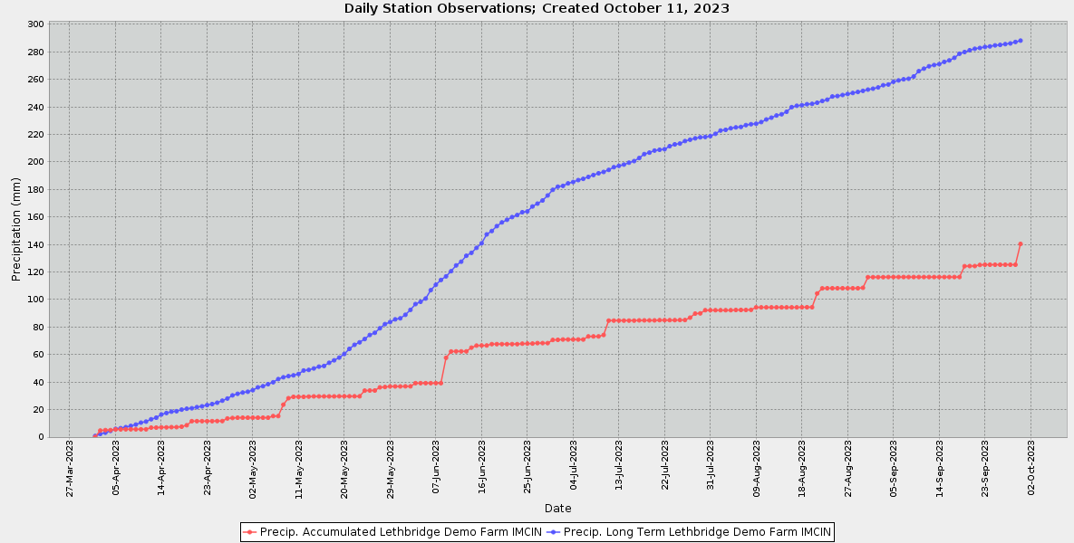
Lethbridge Demo Farm IMCIN | 24-Apr-23 | 10.3 | 11.6 | 24 | 7.3 | COMPUTED |  | 47 | COMPUTED | 40.3 | COMPUTED
Lethbridge Demo Farm IMCIN | 25-Apr-23 | 12.1 | 11.7 | 25 | 7.2 | COMPUTED |  | 50 | COMPUTED | 46.5 | COMPUTED
Lethbridge Demo Farm IMCIN | 26-Apr-23 | 10.2 | 11.7 | 26.5 | 8.1 | COMPUTED |  | 53.6 | COMPUTED | 49.7 | COMPUTED
Lethbridge Demo Farm IMCIN | 27-Apr-23 | 8.5 | 13.6 | 28 | 7.8 | COMPUTED |  | 57.4 | COMPUTED | 52.9 | COMPUTED
Lethbridge Demo Farm IMCIN | 28-Apr-23 | 11.6 | 13.9 | 30.3 | 7.7 | COMPUTED |  | 61.1 | COMPUTED | 58.1 | COMPUTED
Lethbridge Demo Farm IMCIN | 29-Apr-23 | 13 | 14.1 | 31.5 | 7.2 | COMPUTED |  | 64.4 | COMPUTED | 65.7 | COMPUTED
Lethbridge Demo Farm IMCIN | 30-Apr-23 | 15.8 | 14.1 | 32.4 | 7.2 | COMPUTED |  | 67.4 | COMPUTED | 75.1 | COMPUTED
Lethbridge Demo Farm IMCIN | 1-May-23 | 16.9 | 14.1 | 33 | 8.1 | COMPUTED |  | 71 | COMPUTED | 86.3 | COMPUTED
Lethbridge Demo Farm IMCIN | 2-May-23 | 16 | 14.1 | 34.1 | 8.7 | COMPUTED |  | 74.9 | COMPUTED | 96 | COMPUTED
Lethbridge Demo Farm IMCIN | 3-May-23 | 17.5 | 14.1 | 36.2 | 8.3 | COMPUTED |  | 78.7 | COMPUTED | 107.5 | COMPUTED
Lethbridge Demo Farm IMCIN | 4-May-23 | 18.3 | 14.1 | 37 | 9.1 | COMPUTED |  | 83.2 | COMPUTED | 120.6 | COMPUTED
Lethbridge Demo Farm IMCIN | 5-May-23 | 17.5 | 14.1 | 38.5 | 9.1 | COMPUTED |  | 87.9 | COMPUTED | 132.8 | COMPUTED
Lethbridge Demo Farm IMCIN | 6-May-23 | 9.6 | 15.3 | 39.9 | 9.5 | COMPUTED |  | 92.9 | COMPUTED | 138.4 | COMPUTED
Lethbridge Demo Farm IMCIN | 7-May-23 | 10.5 | 15.3 | 42.2 | 8.8 | COMPUTED |  | 97.3 | COMPUTED | 145.2 | COMPUTED
Lethbridge Demo Farm IMCIN | 8-May-23 | 12.6 | 23.6 | 43.5 | 9.2 | COMPUTED |  | 102 | COMPUTED | 153 | COMPUTED
Lethbridge Demo Farm IMCIN | 9-May-23 | 11.4 | 28.3 | 44.3 | 8.5 | COMPUTED |  | 105.9 | COMPUTED | 159.1 | COMPUTED
Lethbridge Demo Farm IMCIN | 10-May-23 | 12.5 | 29.3 | 44.9 | 8.7 | COMPUTED |  | 109.8 | COMPUTED | 167 | COMPUTED
Lethbridge Demo Farm IMCIN | 11-May-23 | 12.7 | 29.3 | 45.9 | 9.1 | COMPUTED |  | 114.1 | COMPUTED | 175.2 | COMPUTED
Lethbridge Demo Farm IMCIN | 12-May-23 | 13.9 | 29.3 | 48.4 | 10.6 | COMPUTED |  | 119.9 | COMPUTED | 183.1 | COMPUTED
Lethbridge Demo Farm IMCIN | 13-May-23 | 14.7 | 29.4 | 48.8 | 10.8 | COMPUTED |  | 125.8 | COMPUTED | 192.2 | COMPUTED
Lethbridge Demo Farm IMCIN | 14-May-23 | 14.8 | 29.6 | 49.9 | 11.6 | COMPUTED |  | 132.4 | COMPUTED | 200.8 | COMPUTED
Lethbridge Demo Farm IMCIN | 15-May-23 | 18.7 | 29.6 | 51.2 | 12 | COMPUTED |  | 139.4 | COMPUTED | 214.2 | COMPUTED
Lethbridge Demo Farm IMCIN | 16-May-23 | 18.4 | 29.6 | 51.7 | 12.3 | COMPUTED |  | 146.7 | COMPUTED | 227.4 | COMPUTED
Lethbridge Demo Farm IMCIN | 17-May-23 | 14.3 | 29.6 | 54 | 11.9 | COMPUTED |  | 153.7 | COMPUTED | 236.3 | COMPUTED
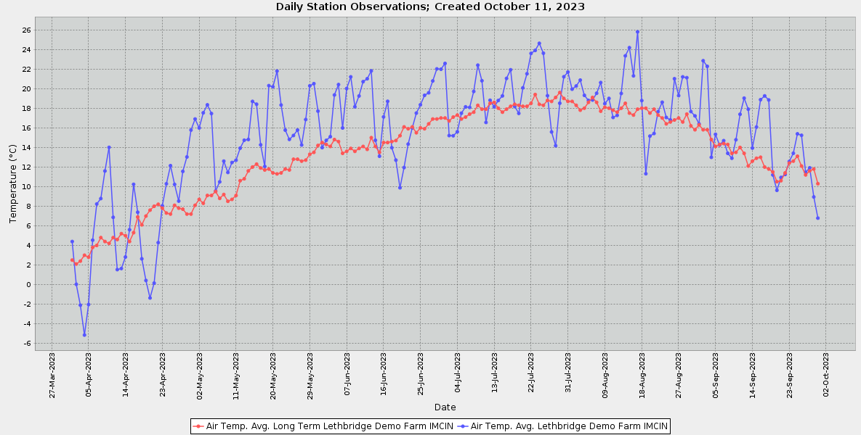
Lethbridge Demo Farm IMCIN | 18-May-23 | 12.1 | 29.6 | 55.8 | 11.7 | COMPUTED |  | 160.4 | COMPUTED | 242.2 | COMPUTED
Lethbridge Demo Farm IMCIN | 19-May-23 | 20.3 | 29.7 | 57.8 | 11.8 | COMPUTED |  | 167.2 | COMPUTED | 255.8 | COMPUTED
Lethbridge Demo Farm IMCIN | 20-May-23 | 20.2 | 29.7 | 60.4 | 11.4 | COMPUTED |  | 173.7 | COMPUTED | 270.3 | COMPUTED
Lethbridge Demo Farm IMCIN | 21-May-23 | 21.8 | 29.7 | 64.1 | 11.3 | COMPUTED |  | 180 | COMPUTED | 286.7 | COMPUTED
Lethbridge Demo Farm IMCIN | 22-May-23 | 18.3 | 29.7 | 67.1 | 11.4 | COMPUTED |  | 186.6 | COMPUTED | 299.7 | COMPUTED
Lethbridge Demo Farm IMCIN | 23-May-23 | 15.8 | 29.7 | 68.9 | 11.8 | COMPUTED |  | 193.6 | COMPUTED | 310.2 | COMPUTED
Lethbridge Demo Farm IMCIN | 24-May-23 | 14.8 | 33.8 | 71.3 | 11.7 | COMPUTED |  | 200.4 | COMPUTED | 320.4 | COMPUTED
Lethbridge Demo Farm IMCIN | 25-May-23 | 15.2 | 33.9 | 74.2 | 12.8 | COMPUTED |  | 208.3 | COMPUTED | 329.9 | COMPUTED
Lethbridge Demo Farm IMCIN | 26-May-23 | 15.8 | 33.9 | 75.8 | 12.8 | COMPUTED |  | 216.1 | COMPUTED | 340.7 | COMPUTED
Lethbridge Demo Farm IMCIN | 27-May-23 | 14.2 | 36.2 | 79.1 | 12.6 | COMPUTED |  | 223.8 | COMPUTED | 349.3 | COMPUTED
Lethbridge Demo Farm IMCIN | 28-May-23 | 16.8 | 36.4 | 82.1 | 12.7 | COMPUTED |  | 231.5 | COMPUTED | 361.1 | COMPUTED
Lethbridge Demo Farm IMCIN | 29-May-23 | 20.3 | 36.8 | 83.6 | 13.3 | COMPUTED |  | 239.8 | COMPUTED | 376.8 | COMPUTED
Lethbridge Demo Farm IMCIN | 30-May-23 | 20.5 | 36.8 | 85.6 | 13.5 | COMPUTED |  | 248.3 | COMPUTED | 391.1 | COMPUTED
Lethbridge Demo Farm IMCIN | 31-May-23 | 17.7 | 36.8 | 86.3 | 14.2 | COMPUTED |  | 257.5 | COMPUTED | 402.9 | COMPUTED
Lethbridge Demo Farm IMCIN | 1-Jun-23 | 14 | 36.9 | 88.9 | 14.5 | COMPUTED |  | 267 | COMPUTED | 410.9 | COMPUTED
Lethbridge Demo Farm IMCIN | 2-Jun-23 | 14.7 | 36.9 | 92.5 | 14.3 | COMPUTED |  | 276.3 | COMPUTED | 420.1 | COMPUTED
Lethbridge Demo Farm IMCIN | 3-Jun-23 | 15.1 | 39.2 | 96.7 | 14.1 | COMPUTED |  | 285.4 | COMPUTED | 430.8 | COMPUTED
Lethbridge Demo Farm IMCIN | 4-Jun-23 | 19.4 | 39.2 | 98.3 | 14.8 | COMPUTED |  | 295.2 | COMPUTED | 444.6 | COMPUTED
Lethbridge Demo Farm IMCIN | 5-Jun-23 | 20.4 | 39.2 | 100.7 | 14.6 | COMPUTED |  | 304.8 | COMPUTED | 459.4 | COMPUTED
Lethbridge Demo Farm IMCIN | 6-Jun-23 | 16 | 39.2 | 106.8 | 13.4 | COMPUTED |  | 313.2 | COMPUTED | 470.7 | COMPUTED
Lethbridge Demo Farm IMCIN | 7-Jun-23 | 20 | 39.2 | 110.7 | 13.6 | COMPUTED |  | 321.8 | COMPUTED | 484.5 | COMPUTED
Lethbridge Demo Farm IMCIN | 8-Jun-23 | 21.2 | 39.2 | 114.2 | 13.9 | COMPUTED |  | 330.7 | COMPUTED | 500.3 | COMPUTED
Lethbridge Demo Farm IMCIN | 9-Jun-23 | 18.2 | 57.6 | 116.8 | 13.6 | COMPUTED |  | 339.3 | COMPUTED | 514.8 | COMPUTED
Lethbridge Demo Farm IMCIN | 10-Jun-23 | 19.3 | 62.2 | 120.6 | 13.9 | COMPUTED |  | 348.2 | COMPUTED | 530.3 | COMPUTED
Lethbridge Demo Farm IMCIN | 11-Jun-23 | 20.7 | 62.3 | 124.8 | 14.1 | COMPUTED |  | 357.3 | COMPUTED | 545.8 | COMPUTED
Lethbridge Demo Farm IMCIN | 12-Jun-23 | 21 | 62.3 | 127.5 | 13.8 | COMPUTED |  | 366.1 | COMPUTED | 561.8 | COMPUTED
Lethbridge Demo Farm IMCIN | 13-Jun-23 | 21.8 | 62.3 | 131.8 | 15 | COMPUTED |  | 376.1 | COMPUTED | 578 | COMPUTED
Lethbridge Demo Farm IMCIN | 14-Jun-23 | 14.7 | 65 | 133.9 | 14.1 | COMPUTED |  | 385.2 | COMPUTED | 587.6 | COMPUTED
Lethbridge Demo Farm IMCIN | 15-Jun-23 | 13.1 | 66.5 | 137.5 | 13.5 | COMPUTED |  | 393.7 | COMPUTED | 595.9 | COMPUTED
Lethbridge Demo Farm IMCIN | 16-Jun-23 | 17.1 | 66.6 | 140.8 | 14.5 | COMPUTED |  | 403.2 | COMPUTED | 607.2 | COMPUTED
Lethbridge Demo Farm IMCIN | 17-Jun-23 | 18.7 | 66.6 | 147.3 | 14.5 | COMPUTED |  | 412.7 | COMPUTED | 621.3 | COMPUTED
Lethbridge Demo Farm IMCIN | 18-Jun-23 | 14 | 67.6 | 149.8 | 14.6 | COMPUTED |  | 422.3 | COMPUTED | 630.5 | COMPUTED
Lethbridge Demo Farm IMCIN | 19-Jun-23 | 12.7 | 67.6 | 153.3 | 14.7 | COMPUTED |  | 432 | COMPUTED | 637.8 | COMPUTED
Lethbridge Demo Farm IMCIN | 20-Jun-23 | 9.9 | 67.6 | 156 | 15.2 | COMPUTED |  | 442.2 | COMPUTED | 642.9 | COMPUTED
Lethbridge Demo Farm IMCIN | 21-Jun-23 | 11.9 | 67.6 | 157.9 | 16.1 | COMPUTED |  | 453.3 | COMPUTED | 649.9 | COMPUTED
Lethbridge Demo Farm IMCIN | 22-Jun-23 | 14.3 | 67.6 | 159.9 | 15.9 | COMPUTED |  | 464.2 | COMPUTED | 657.8 | COMPUTED
Lethbridge Demo Farm IMCIN | 23-Jun-23 | 16 | 67.6 | 161.4 | 16.1 | COMPUTED |  | 475.3 | COMPUTED | 667.7 | COMPUTED
Lethbridge Demo Farm IMCIN | 24-Jun-23 | 17.5 | 67.9 | 163.4 | 15.5 | COMPUTED |  | 485.8 | COMPUTED | 680.3 | COMPUTED
Lethbridge Demo Farm IMCIN | 25-Jun-23 | 18.4 | 68 | 164 | 16 | COMPUTED |  | 496.8 | COMPUTED | 692.9 | COMPUTED
Lethbridge Demo Farm IMCIN | 26-Jun-23 | 19.3 | 68 | 167.6 | 15.9 | COMPUTED |  | 507.7 | COMPUTED | 706.5 | COMPUTED
Lethbridge Demo Farm IMCIN | 27-Jun-23 | 19.6 | 68.3 | 169.7 | 16.4 | COMPUTED |  | 519.1 | COMPUTED | 720.3 | COMPUTED
Lethbridge Demo Farm IMCIN | 28-Jun-23 | 20.8 | 68.3 | 172 | 16.9 | COMPUTED |  | 531 | COMPUTED | 736.1 | COMPUTED
Lethbridge Demo Farm IMCIN | 29-Jun-23 | 22 | 68.3 | 175.6 | 16.9 | COMPUTED |  | 542.9 | COMPUTED | 752.5 | COMPUTED
Lethbridge Demo Farm IMCIN | 30-Jun-23 | 22 | 70.6 | 179.7 | 17 | COMPUTED |  | 554.9 | COMPUTED | 769.2 | COMPUTED
Lethbridge Demo Farm IMCIN | 1-Jul-23 | 22.6 | 70.7 | 182 | 17 | COMPUTED |  | 566.9 | COMPUTED | 785.9 | COMPUTED
Lethbridge Demo Farm IMCIN | 2-Jul-23 | 15.2 | 70.9 | 182.6 | 16.7 | COMPUTED |  | 578.6 | COMPUTED | 796.6 | COMPUTED
Lethbridge Demo Farm IMCIN | 3-Jul-23 | 15.2 | 70.9 | 184.4 | 17.1 | COMPUTED |  | 590.7 | COMPUTED | 807.1 | COMPUTED
Lethbridge Demo Farm IMCIN | 4-Jul-23 | 15.6 | 70.9 | 185.4 | 17.3 | COMPUTED |  | 603 | COMPUTED | 818.2 | COMPUTED
Lethbridge Demo Farm IMCIN | 5-Jul-23 | 17.5 | 70.9 | 186.8 | 16.9 | COMPUTED |  | 614.9 | COMPUTED | 829.7 | COMPUTED
Lethbridge Demo Farm IMCIN | 6-Jul-23 | 18.1 | 70.9 | 187.7 | 17.1 | COMPUTED |  | 627 | COMPUTED | 841.7 | COMPUTED
Lethbridge Demo Farm IMCIN | 7-Jul-23 | 18.1 | 73.2 | 189.1 | 17.4 | COMPUTED |  | 639.4 | COMPUTED | 855.2 | COMPUTED
Lethbridge Demo Farm IMCIN | 8-Jul-23 | 19.7 | 73.2 | 190.5 | 17.6 | COMPUTED |  | 652 | COMPUTED | 869.8 | COMPUTED
Lethbridge Demo Farm IMCIN | 9-Jul-23 | 22.4 | 73.2 | 191.7 | 18.3 | COMPUTED |  | 665.3 | COMPUTED | 886 | COMPUTED
Lethbridge Demo Farm IMCIN | 10-Jul-23 | 20.8 | 74.2 | 192.7 | 17.9 | COMPUTED |  | 678.2 | COMPUTED | 901.6 | COMPUTED
Lethbridge Demo Farm IMCIN | 11-Jul-23 | 16.6 | 84.7 | 194.2 | 17.9 | COMPUTED |  | 691.1 | COMPUTED | 913.9 | COMPUTED
Lethbridge Demo Farm IMCIN | 12-Jul-23 | 18.8 | 84.7 | 196.1 | 18.5 | COMPUTED |  | 704.6 | COMPUTED | 927.6 | COMPUTED
Lethbridge Demo Farm IMCIN | 13-Jul-23 | 18.1 | 84.7 | 197.1 | 18.6 | COMPUTED |  | 718.2 | COMPUTED | 940 | COMPUTED
Lethbridge Demo Farm IMCIN | 14-Jul-23 | 18.8 | 84.7 | 198 | 18 | COMPUTED |  | 731.2 | COMPUTED | 954 | COMPUTED
Lethbridge Demo Farm IMCIN | 15-Jul-23 | 19.3 | 84.7 | 199.4 | 17.6 | COMPUTED |  | 743.8 | COMPUTED | 968.2 | COMPUTED
Lethbridge Demo Farm IMCIN | 16-Jul-23 | 21 | 84.7 | 200.6 | 17.9 | COMPUTED |  | 756.7 | COMPUTED | 984 | COMPUTED
Lethbridge Demo Farm IMCIN | 17-Jul-23 | 21.9 | 84.8 | 202.8 | 18.2 | COMPUTED |  | 769.9 | COMPUTED | 1,000.80 | COMPUTED
Lethbridge Demo Farm IMCIN | 18-Jul-23 | 18.2 | 84.8 | 205.7 | 18.4 | COMPUTED |  | 783.3 | COMPUTED | 1,014.10 | COMPUTED
Lethbridge Demo Farm IMCIN | 19-Jul-23 | 17.5 | 84.8 | 206.7 | 18.3 | COMPUTED |  | 796.6 | COMPUTED | 1,025.80 | COMPUTED
Lethbridge Demo Farm IMCIN | 20-Jul-23 | 20.1 | 84.8 | 208.2 | 18.2 | COMPUTED |  | 809.8 | COMPUTED | 1,040.00 | COMPUTED
Lethbridge Demo Farm IMCIN | 21-Jul-23 | 21.5 | 85 | 208.8 | 18.2 | COMPUTED |  | 823 | COMPUTED | 1,056.70 | COMPUTED
Lethbridge Demo Farm IMCIN | 22-Jul-23 | 23.6 | 85 | 209.2 | 18.5 | COMPUTED |  | 836.5 | COMPUTED | 1,074.20 | COMPUTED
Lethbridge Demo Farm IMCIN | 23-Jul-23 | 23.9 | 85 | 211.4 | 19.4 | COMPUTED |  | 850.9 | COMPUTED | 1,093.00 | COMPUTED
Lethbridge Demo Farm IMCIN | 24-Jul-23 | 24.6 | 85 | 212.7 | 18.4 | COMPUTED |  | 864.3 | COMPUTED | 1,112.10 | COMPUTED
Lethbridge Demo Farm IMCIN | 25-Jul-23 | 23.6 | 85.1 | 213.3 | 18.3 | COMPUTED |  | 877.6 | COMPUTED | 1,129.50 | COMPUTED
Lethbridge Demo Farm IMCIN | 26-Jul-23 | 19.3 | 85.1 | 215.1 | 18.8 | COMPUTED |  | 891.4 | COMPUTED | 1,143.10 | COMPUTED
Lethbridge Demo Farm IMCIN | 27-Jul-23 | 15.6 | 86.8 | 216.1 | 18.7 | COMPUTED |  | 905.1 | COMPUTED | 1,153.30 | COMPUTED
Lethbridge Demo Farm IMCIN | 28-Jul-23 | 14.2 | 89.8 | 217.1 | 19.1 | COMPUTED |  | 919.2 | COMPUTED | 1,163.50 | COMPUTED
Lethbridge Demo Farm IMCIN | 29-Jul-23 | 18.5 | 89.9 | 217.8 | 19.6 | COMPUTED |  | 933.8 | COMPUTED | 1,178.10 | COMPUTED
Lethbridge Demo Farm IMCIN | 30-Jul-23 | 21.2 | 92.2 | 218.1 | 19 | COMPUTED |  | 947.8 | COMPUTED | 1,195.90 | COMPUTED
Lethbridge Demo Farm IMCIN | 31-Jul-23 | 21.7 | 92.2 | 218.7 | 18.7 | COMPUTED |  | 961.5 | COMPUTED | 1,212.00 | COMPUTED
Lethbridge Demo Farm IMCIN | 1-Aug-23 | 19.9 | 92.2 | 220.4 | 18.7 | COMPUTED |  | 975.2 | COMPUTED | 1,226.50 | COMPUTED
Lethbridge Demo Farm IMCIN | 2-Aug-23 | 20.3 | 92.2 | 222.8 | 18.3 | COMPUTED |  | 988.5 | COMPUTED | 1,241.10 | COMPUTED
Lethbridge Demo Farm IMCIN | 3-Aug-23 | 20.9 | 92.2 | 223.3 | 17.8 | COMPUTED |  | 1,001.30 | COMPUTED | 1,256.90 | COMPUTED
Lethbridge Demo Farm IMCIN | 4-Aug-23 | 19.3 | 92.2 | 224.4 | 18 | COMPUTED |  | 1,014.30 | COMPUTED | 1,271.90 | COMPUTED
Lethbridge Demo Farm IMCIN | 5-Aug-23 | 18.8 | 92.4 | 225.1 | 18.6 | COMPUTED |  | 1,027.90 | COMPUTED | 1,286.20 | COMPUTED
Lethbridge Demo Farm IMCIN | 6-Aug-23 | 18.8 | 92.4 | 225.4 | 19.1 | COMPUTED |  | 1,042.00 | COMPUTED | 1,300.70 | COMPUTED
Lethbridge Demo Farm IMCIN | 7-Aug-23 | 19.5 | 92.4 | 226.7 | 18.6 | COMPUTED |  | 1,055.60 | COMPUTED | 1,315.20 | COMPUTED
Lethbridge Demo Farm IMCIN | 8-Aug-23 | 20.6 | 92.5 | 227.4 | 17.7 | COMPUTED |  | 1,068.30 | COMPUTED | 1,330.40 | COMPUTED
Lethbridge Demo Farm IMCIN | 9-Aug-23 | 18.5 | 94.3 | 227.7 | 18.1 | COMPUTED |  | 1,081.40 | COMPUTED | 1,345.00 | COMPUTED
Lethbridge Demo Farm IMCIN | 10-Aug-23 | 19 | 94.3 | 228.9 | 18 | COMPUTED |  | 1,094.40 | COMPUTED | 1,359.10 | COMPUTED
Lethbridge Demo Farm IMCIN | 11-Aug-23 | 17.1 | 94.3 | 230.8 | 17.8 | COMPUTED |  | 1,107.20 | COMPUTED | 1,369.90 | COMPUTED
Lethbridge Demo Farm IMCIN | 12-Aug-23 | 17.3 | 94.3 | 232.1 | 17.6 | COMPUTED |  | 1,119.80 | COMPUTED | 1,381.60 | COMPUTED
Lethbridge Demo Farm IMCIN | 13-Aug-23 | 19.5 | 94.3 | 233.7 | 18 | COMPUTED |  | 1,132.80 | COMPUTED | 1,395.40 | COMPUTED
Lethbridge Demo Farm IMCIN | 14-Aug-23 | 23.3 | 94.3 | 234.6 | 18.5 | COMPUTED |  | 1,146.30 | COMPUTED | 1,413.20 | COMPUTED
Lethbridge Demo Farm IMCIN | 15-Aug-23 | 24.2 | 94.3 | 236.4 | 17.5 | COMPUTED |  | 1,158.80 | COMPUTED | 1,432.10 | COMPUTED
Lethbridge Demo Farm IMCIN | 16-Aug-23 | 21.3 | 94.3 | 239.8 | 17.3 | COMPUTED |  | 1,171.10 | COMPUTED | 1,447.30 | COMPUTED
Lethbridge Demo Farm IMCIN | 17-Aug-23 | 25.8 | 94.3 | 240.8 | 17.9 | COMPUTED |  | 1,184.00 | COMPUTED | 1,467.10 | COMPUTED
Lethbridge Demo Farm IMCIN | 18-Aug-23 | 18.8 | 94.4 | 241.2 | 18 | COMPUTED |  | 1,197.00 | COMPUTED | 1,480.30 | COMPUTED
Lethbridge Demo Farm IMCIN | 19-Aug-23 | 11.3 | 94.4 | 241.9 | 18 | COMPUTED |  | 1,210.00 | COMPUTED | 1,486.80 | COMPUTED
Lethbridge Demo Farm IMCIN | 20-Aug-23 | 15.2 | 94.4 | 242.2 | 17.5 | COMPUTED |  | 1,222.50 | COMPUTED | 1,496.30 | COMPUTED
Lethbridge Demo Farm IMCIN | 21-Aug-23 | 15.4 | 104.4 | 243 | 17.9 | COMPUTED |  | 1,235.40 | COMPUTED | 1,506.50 | COMPUTED
Lethbridge Demo Farm IMCIN | 22-Aug-23 | 17.7 | 108.1 | 244.2 | 17.3 | COMPUTED |  | 1,247.80 | COMPUTED | 1,520.40 | COMPUTED
Lethbridge Demo Farm IMCIN | 23-Aug-23 | 18.6 | 108.2 | 245.2 | 17 | COMPUTED |  | 1,259.90 | COMPUTED | 1,534.40 | COMPUTED
Lethbridge Demo Farm IMCIN | 24-Aug-23 | 17.1 | 108.2 | 247.5 | 16.4 | COMPUTED |  | 1,271.30 | COMPUTED | 1,546.60 | COMPUTED
Lethbridge Demo Farm IMCIN | 25-Aug-23 | 16.8 | 108.2 | 247.8 | 16.6 | COMPUTED |  | 1,282.90 | COMPUTED | 1,558.10 | COMPUTED
Lethbridge Demo Farm IMCIN | 26-Aug-23 | 21 | 108.2 | 248.6 | 16.8 | COMPUTED |  | 1,294.70 | COMPUTED | 1,574.00 | COMPUTED
Lethbridge Demo Farm IMCIN | 27-Aug-23 | 19.3 | 108.2 | 249.3 | 17 | COMPUTED |  | 1,306.70 | COMPUTED | 1,588.40 | COMPUTED
Lethbridge Demo Farm IMCIN | 28-Aug-23 | 21.2 | 108.2 | 250.1 | 16.6 | COMPUTED |  | 1,318.30 | COMPUTED | 1,604.00 | COMPUTED
Lethbridge Demo Farm IMCIN | 29-Aug-23 | 21.1 | 108.2 | 250.8 | 17.4 | COMPUTED |  | 1,330.70 | COMPUTED | 1,619.80 | COMPUTED
Lethbridge Demo Farm IMCIN | 30-Aug-23 | 17.7 | 108.5 | 251.6 | 16.2 | COMPUTED |  | 1,341.90 | COMPUTED | 1,633.40 | COMPUTED
Lethbridge Demo Farm IMCIN | 31-Aug-23 | 17.2 | 116.2 | 252.5 | 15.8 | COMPUTED |  | 1,352.70 | COMPUTED | 1,645.90 | COMPUTED
Lethbridge Demo Farm IMCIN | 1-Sep-23 | 16.4 | 116.2 | 253.2 | 16.3 | COMPUTED |  | 1,364.00 | COMPUTED | 1,657.30 | COMPUTED
Lethbridge Demo Farm IMCIN | 2-Sep-23 | 22.8 | 116.2 | 254.1 | 15.8 | COMPUTED |  | 1,374.80 | COMPUTED | 1,674.90 | COMPUTED
Lethbridge Demo Farm IMCIN | 3-Sep-23 | 22.3 | 116.2 | 255.7 | 15.8 | COMPUTED |  | 1,385.60 | COMPUTED | 1,691.00 | COMPUTED
Lethbridge Demo Farm IMCIN | 4-Sep-23 | 13 | 116.3 | 256.2 | 14.8 | COMPUTED |  | 1,395.40 | COMPUTED | 1,698.40 | COMPUTED
Lethbridge Demo Farm IMCIN | 5-Sep-23 | 15.3 | 116.3 | 258.2 | 14.1 | COMPUTED |  | 1,404.50 | COMPUTED | 1,709.40 | COMPUTED
Lethbridge Demo Farm IMCIN | 6-Sep-23 | 14.2 | 116.3 | 259.2 | 14.3 | COMPUTED |  | 1,413.80 | COMPUTED | 1,719.20 | COMPUTED
Lethbridge Demo Farm IMCIN | 7-Sep-23 | 14.7 | 116.3 | 260 | 14.4 | COMPUTED |  | 1,423.20 | COMPUTED | 1,728.50 | COMPUTED
Lethbridge Demo Farm IMCIN | 8-Sep-23 | 13.4 | 116.3 | 260.4 | 14.3 | COMPUTED |  | 1,432.50 | COMPUTED | 1,737.70 | COMPUTED
Lethbridge Demo Farm IMCIN | 9-Sep-23 | 12.9 | 116.3 | 262.1 | 13.4 | COMPUTED |  | 1,441.00 | COMPUTED | 1,745.50 | COMPUTED
Lethbridge Demo Farm IMCIN | 10-Sep-23 | 14.8 | 116.3 | 265.9 | 13.5 | COMPUTED |  | 1,449.60 | COMPUTED | 1,754.70 | COMPUTED
Lethbridge Demo Farm IMCIN | 11-Sep-23 | 17.4 | 116.3 | 267.7 | 14 | COMPUTED |  | 1,458.60 | COMPUTED | 1,766.70 | COMPUTED
Lethbridge Demo Farm IMCIN | 12-Sep-23 | 19 | 116.3 | 269.5 | 13.4 | COMPUTED |  | 1,467.00 | COMPUTED | 1,781.90 | COMPUTED
Lethbridge Demo Farm IMCIN | 13-Sep-23 | 17.9 | 116.3 | 270.4 | 12.1 | COMPUTED |  | 1,474.20 | COMPUTED | 1,794.20 | COMPUTED
Lethbridge Demo Farm IMCIN | 14-Sep-23 | 13.9 | 116.3 | 271 | 12.6 | COMPUTED |  | 1,481.80 | COMPUTED | 1,803.40 | COMPUTED
Lethbridge Demo Farm IMCIN | 15-Sep-23 | 16.1 | 116.3 | 272.7 | 12.9 | COMPUTED |  | 1,489.70 | COMPUTED | 1,814.60 | COMPUTED
Lethbridge Demo Farm IMCIN | 16-Sep-23 | 18.9 | 116.3 | 273.7 | 13 | COMPUTED |  | 1,497.70 | COMPUTED | 1,829.20 | COMPUTED
Lethbridge Demo Farm IMCIN | 17-Sep-23 | 19.3 | 116.3 | 275.6 | 12 | COMPUTED |  | 1,504.90 | COMPUTED | 1,843.60 | COMPUTED
Lethbridge Demo Farm IMCIN | 18-Sep-23 | 18.8 | 116.3 | 278.6 | 11.8 | COMPUTED |  | 1,511.70 | COMPUTED | 1,856.00 | COMPUTED
Lethbridge Demo Farm IMCIN | 19-Sep-23 | 11.2 | 124.2 | 279.8 | 11.5 | COMPUTED |  | 1,518.20 | COMPUTED | 1,861.70 | COMPUTED
Lethbridge Demo Farm IMCIN | 20-Sep-23 | 9.6 | 124.3 | 281.1 | 10.5 | COMPUTED |  | 1,523.90 | COMPUTED | 1,866.40 | COMPUTED
Lethbridge Demo Farm IMCIN | 21-Sep-23 | 10.9 | 124.3 | 282.2 | 10.6 | COMPUTED |  | 1,529.70 | COMPUTED | 1,872.80 | COMPUTED
Lethbridge Demo Farm IMCIN | 22-Sep-23 | 11.2 | 125.1 | 282.8 | 11.4 | COMPUTED |  | 1,536.40 | COMPUTED | 1,878.60 | COMPUTED
Lethbridge Demo Farm IMCIN | 23-Sep-23 | 12.6 | 125.3 | 283.5 | 12.4 | COMPUTED |  | 1,543.90 | COMPUTED | 1,886.70 | COMPUTED
Lethbridge Demo Farm IMCIN | 24-Sep-23 | 13.4 | 125.3 | 283.9 | 12.6 | COMPUTED |  | 1,551.50 | COMPUTED | 1,895.10 | COMPUTED
Lethbridge Demo Farm IMCIN | 25-Sep-23 | 15.4 | 125.3 | 284.7 | 13.1 | COMPUTED |  | 1,559.60 | COMPUTED | 1,905.40 | COMPUTED
Lethbridge Demo Farm IMCIN | 26-Sep-23 | 15.2 | 125.3 | 285 | 12.1 | COMPUTED |  | 1,566.80 | COMPUTED | 1,916.20 | COMPUTED
Lethbridge Demo Farm IMCIN | 27-Sep-23 | 11.5 | 125.3 | 285.6 | 11.2 | COMPUTED |  | 1,573.10 | COMPUTED | 1,922.30 | COMPUTED
Lethbridge Demo Farm IMCIN | 28-Sep-23 | 11.9 | 125.3 | 286.1 | 11.6 | COMPUTED |  | 1,579.90 | COMPUTED | 1,929.00 | COMPUTED
Lethbridge Demo Farm IMCIN | 29-Sep-23 | 8.9 | 125.3 | 287.1 | 11.8 | COMPUTED |  | 1,587.00 | COMPUTED | 1,932.10 | COMPUTED
Lethbridge Demo Farm IMCIN | 30-Sep-23 | 6.8 | 140.4 | 288.1 | 10.3 | COMPUTED |  | 1,593.00 | COMPUTED | 1,934.20 | COMPUTED

